Sheet1
 | Turtlesback Review

Uprooted |  | Descent | Descent

How is the difficulty ( too hard? too easy? how could it be made easier if too hard ), What about the controls? |  | How is the difficulty ( too hard? too easy? how could it be made easier if too hard ), What about the controls? | How is the difficulty ( too hard? too easy? how could it be made easier if too hard ), What about the controls?

too hard, the controls are too sensitive and when you hit the tree you fly up and lose control. |  | not too hard, sometimes the space button doesn’t respond to thejump | too hard, lags like a motherfucker sometimes

Do you like the way the game looks? Do the colors make sense? |  | Do you like the way the game looks? Do the colors make sense? | Do you like the way the game looks? Do the colors make sense?

Yes, the colours make sense but the clouds are somewhat misshaped |  | yes, sometimes it is hard to see the birds whose color blends in with the turtle's shell. | yes

Additional Feedback (Anything you can think of that we should consider) |  | Additional Feedback (Anything you can think of that we should consider) | Additional Feedback (Anything you can think of that we should consider)

n/a |  | n/a | n/a

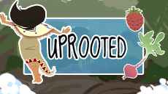
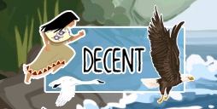
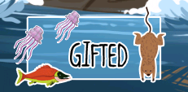

 |  | Grounded

 |  | How is the difficulty ( too hard? too easy? how could it be made easier if too hard ), What about the controls?

 |  | Do you like the way the game looks? Do the colors make sense?

 |  | Additional Feedback (Anything you can think of that we should consider)

